records
Sample Measurement Record
Mano Engineering LLC |  |  |  |  |  |  |  |  | Part No. CSHHNDI3TM-SUS-M5-14
No. | s | k | L | D1 | T | t | d1 | dk
1 | 4.1 | 4.98 | 13.74 | 9.83 | 0.9 | 2.91 | 8.35 | 8.35
2 | 4.05 | 4.99 | 13.95 | 9.82 | 0.9 | 0.09 | 8.25 | 8.32
3 | 4.06 | 4.91 | 13.91 | 9.85 | 0.91 | 2.93 | 8.45 | 8.32
4 | 4.05 | 4.98 | 14.01 | 9.82 | 0.95 | 2.94 | 8.43 | 8.3
5 | 4.1 | 4.93 | 13.97 | 9.83 | 0.9 | 3.04 | 8.4 | 8.3

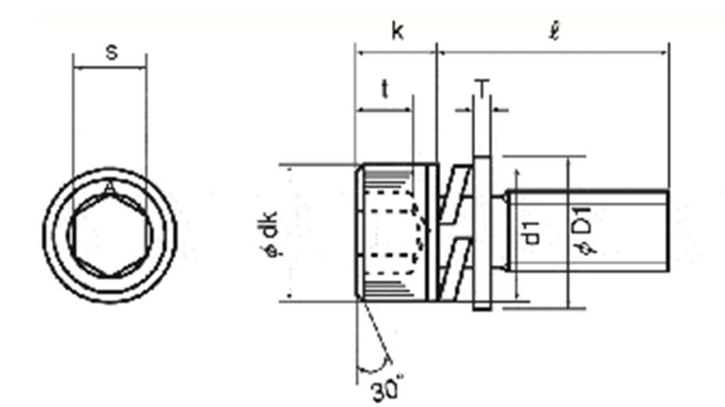
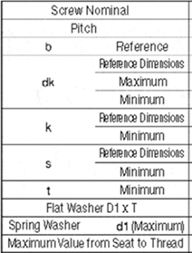
Note: "(a)" is measured roughly

